Problem Description
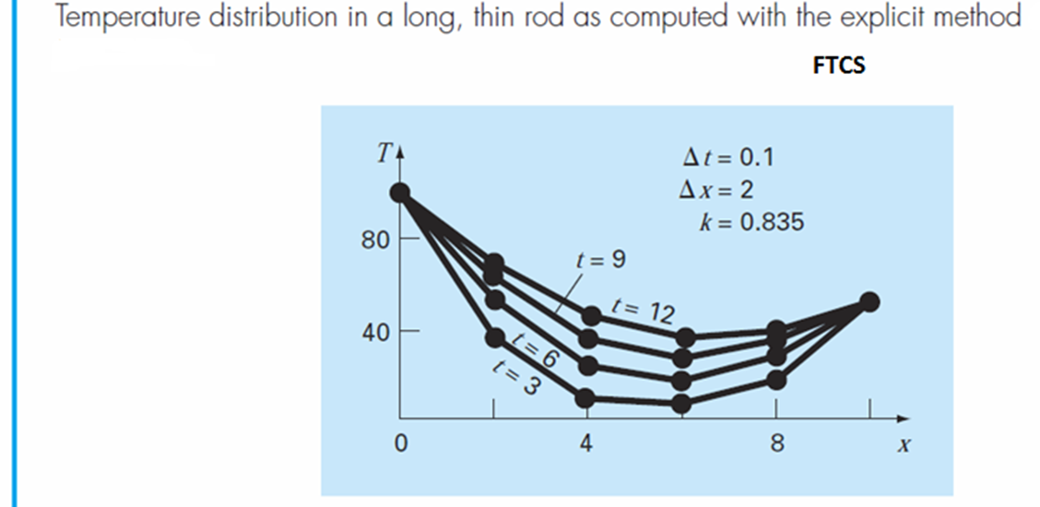
Problem Description:
For the problem of a thin, insulated rod with no heat exchange with surroundings except at the two ends.

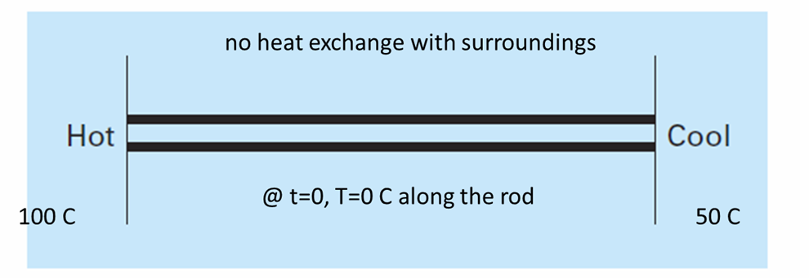

Solve the following governing PDE:


subject to the Initial Condition and BCs below:
At t = 0, the temperature of interior nodes is zero and the boundary conditions are fixed for all times at
T(x,O)=0 ºC for 0<x<10
T(0,t) = 100 ºC for t>0
T(10,t) = 50 ºC. For t>0
Use the explicit FTCS (forward in time, centered in space) method to solve for the temperature distribution of the thin rod insulated at all points, except at its ends with the following specifications:
L = 10 cm (rod length)
Assume: ∆x = 2 cm, ∆t = 0.1 s, k = 0.835 cm²/s, and
λ = 𝑘∆𝑡/∆𝑥^2=0.835(0.1)/(2)² = 0.020875
Solve it in the range of t=[0,12] and plot specific time points, t=[3, 6, 9, 12] as shown in the following plot:

CODE
$$T_{i}^{L+1}=T_{i}^{L}+λ\left(T_{i+1}^{L}−{2T}_{i}^{L}+T_{i−1}^{L}\right)$$
 | FTCS Method for the HEAT EQUATION
 | > How many points in the x domain?
 | > How many points in the time domain?

λ = 𝑘∆𝑡/∆𝑥^2=0.835(0.1)/(2)2 = 0.020875.
 | x | 0 | 2 | 4 | 6 | 8 | 10
t | L \ii | 1 | 2 | 3 | 4 | 5 | 6
0 | 1 | 100 | 0 | 0 | 0 | 0 | 50
0.1 | 2 | 100 | 2.0875 | 0 | 0 | 1.04375 | 50
0.2 | 3 | 100 | 4.087846875 | 0.0435765625 | 0.02178828125 | 2.0439234375 | 50
0.3 | 4 | 100 | 6.0055889287 | 0.1275458749 | 0.064455183008 | 3.0027944644 | 50 | Boundary Condition T(0,t)=100
0.4 | 5 | 100 | 7.8450181111 | 0.24893300546 | 0.1271100337 | 3.9225232974 | 50 | Boundary Condition T(10,t)=0
0.5 | 6 | 100 | 9.6101850814 | 0.4049582275 | 0.20888234011 | 4.8051613717 | 50 | Initial Condition T(x,0)=0, 0<x<10
0.6 | 7 | 100 | 11.304913357 | 0.59302425393 | 0.30892274905 | 5.6526563033 | 50 | Numerical Solution with the above equation
0.7 | 8 | 100 | 12.932812606 | 0.81070432005 | 0.42640380591 | 6.466856665 | 50
0.8 | 9 | 100 | 14.497291132 | 1.0557310573 | 0.56052053257 | 7.2495165787 | 50
0.9 | 10 | 100 | 16.001567613 | 1.3259861041 | 0.71049084474 | 8.0023001276 | 50
1 | 11 | 100 | 17.448682125 | 1.6194904046 | 0.87555582706 | 8.7267855937 | 50
 | ... | ... | ... | ... | ... | ... | ...

 |  |  |  |  |  |  |  |  | 0.4472135955
 |  |  |  |  |  |  |  |  | 0.4

